About
Projected Revenue Estimation from Crowdsourced Information on Statistical Errors is based on historical accuracy statistics of past forecasts. These are represented as auditable data called SIPs that obey both the laws of arithmetic and the laws of probability. When SIPs are used instead of numbers in budgetary calculations they indicate not only average revenues, but the chances of achieving specified targets.
In 2015 the Government Finance Officers Association (GFOA) performed a study of the accuracy of tax revenue projections made by a small number of its nearly 22,000 members, most of whom are municipal CFOs.
ProbabilityManagement.org and GFOA and have teamed up to extract SIP libraries from this data to assist CFOs in risk aware budgeting.
The PRECISE Uncertainty Project is based on that study, and the materials developed from it are being published in an effort to generate interest in this approach and recruit participation in an expanded study.
The same process may be applied within any enterprise that regularly collects data involving uncertain forecasts and actual outcomes, for example sales forecasts, cost estimates, subject matter experts’ opinions etc.
Projected Revenue Estimation from Crowdsourced Information on Statistical Errors
The PRECISE Uncertainty Project
Data Entry Template
YOU ARE
HERE

Historical Errors
Dashboard with built-in SIP Library

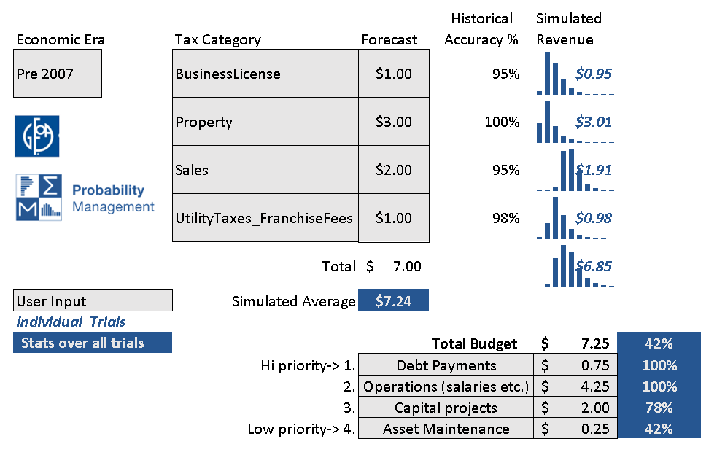
Statistical Analysis in R
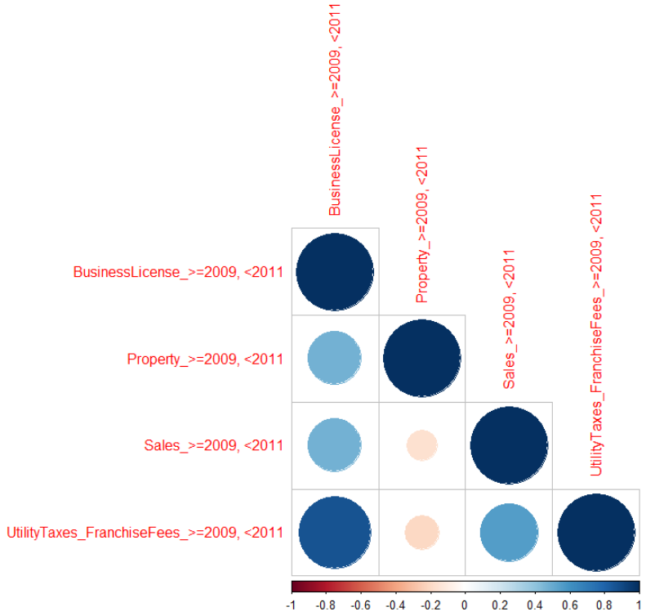

Quantiles & Correlations

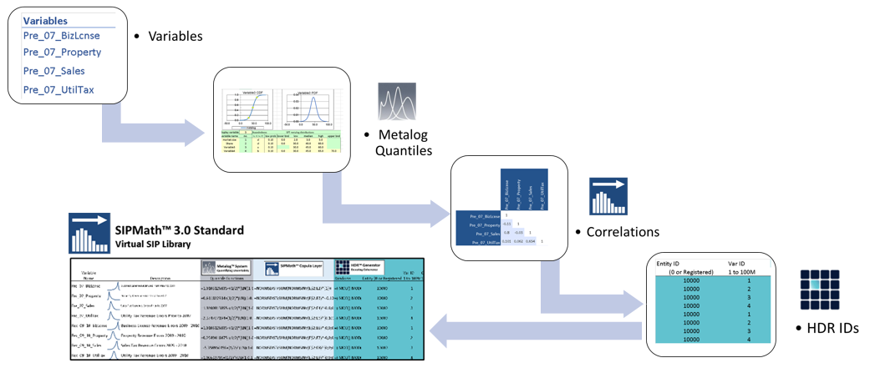
SIP Generation

Open SIPmath™
Standard Library

Visit PRECISEuncertainty.org to learn more.
PRECISE Uncertainty Data Template 1-24-21

Instructions
The PRECISE Uncertainty Project -Data Entry

Revenue type stored in column M
Enter actual revenue here

These fields are calculated automatically

This is the fiscal year that revenue in question was received
Use this table to enter any additional revenue types that are important to your government. You can limit yourself to the most impotant ones.
Enter what you forecast for your original budget. Ignore amended budget

